Settings
Step 1 | Find BankItems.lua in SavedVariables folder of your account
 | Copy full file path and paste in highlighted cell

 | Path to file
 | C:\Program Files (x86)\World of Warcraft\_classic_\WTF\Account\XXXXXXX#1\SavedVariables\BankItems.lua | <--- update this path

Step 2 | Use Data -> Refresh All to update all tables in the file.
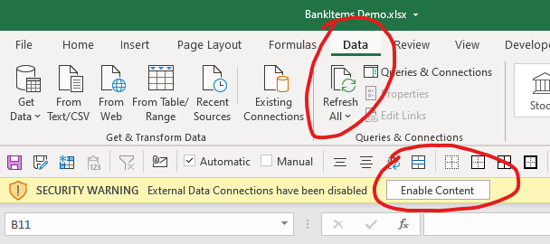

 | Quick link to your account folder (if you installed it into Program Files). No need to update if your installation path is different.
 | C:\Program Files (x86)\World of Warcraft\_classic_\WTF\Account

 | If an error pops up and you can't refresh, try changing settings of Privacy Levels
 | Set it to "Ignore".
 | This happens because I'm combining data from BankItems.lua file and tables from worksheets 'AQ Effort' and 'Item Groups'
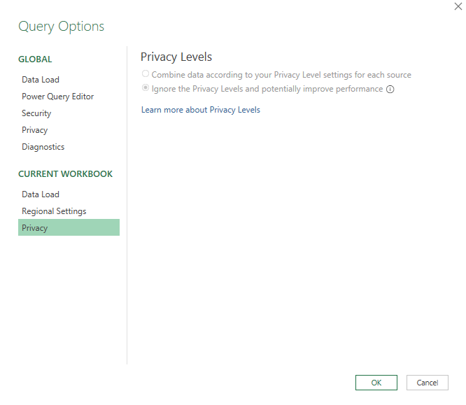
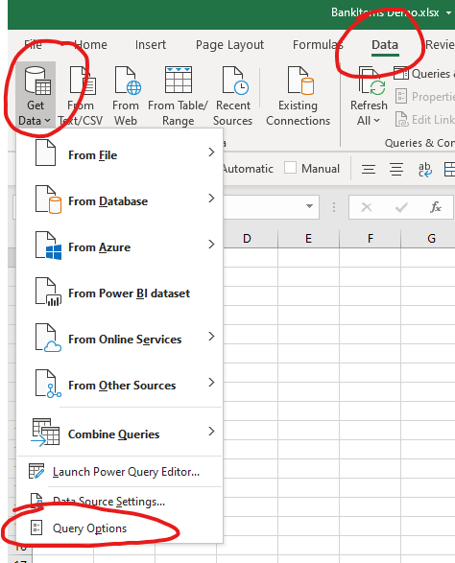
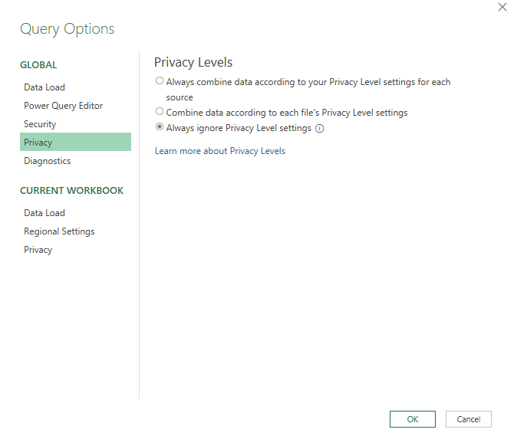
 |  |  | or

